Summary
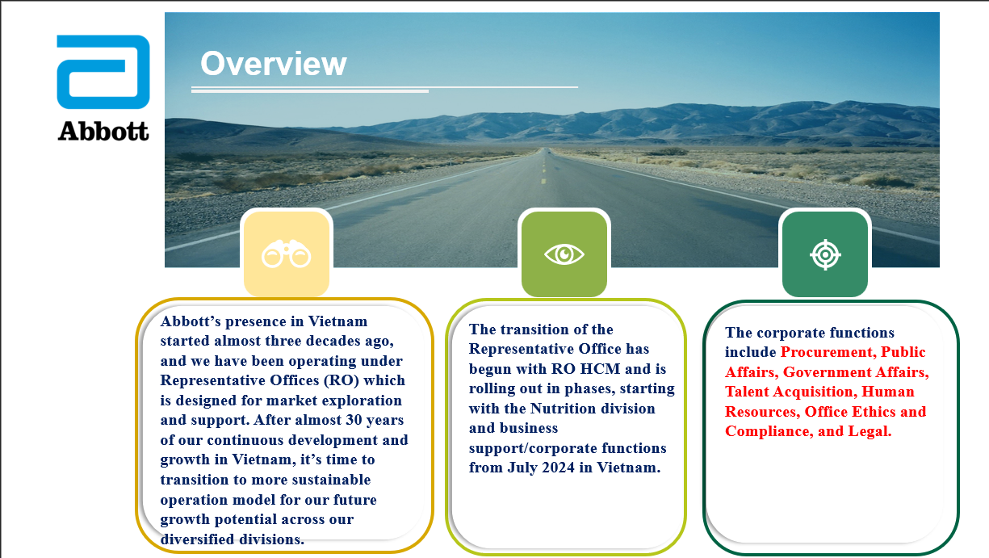

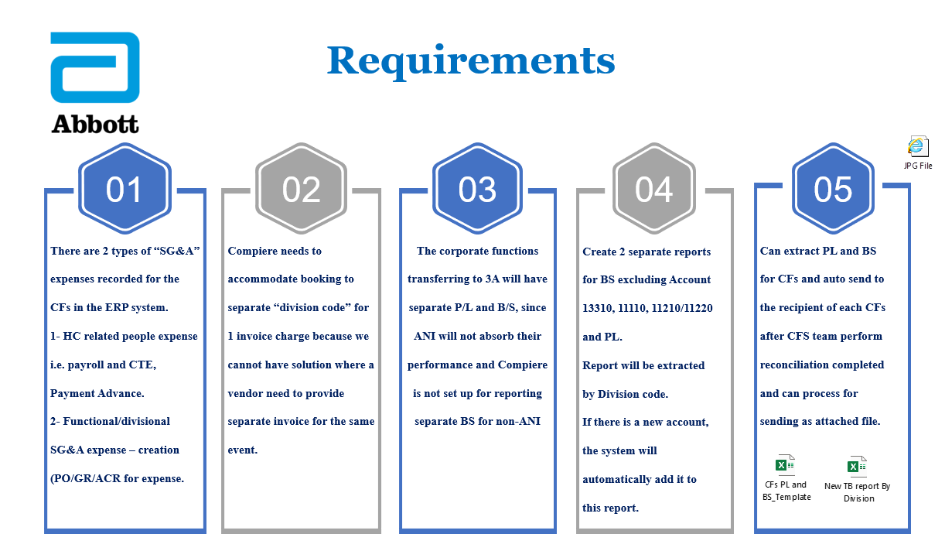

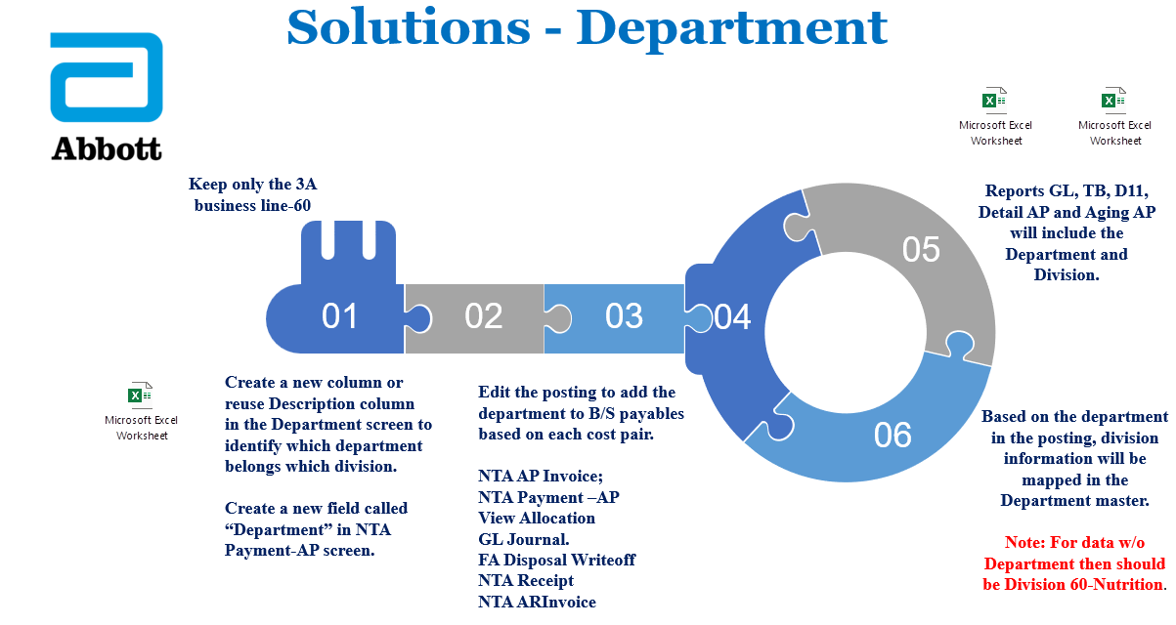

Workings
# | SB | SR | Features/Work Item | Workings
1 | Master Management | Manage Division | New Master Screen: Division -Develop new Master screen for Division

 |  | Manage Department | Add Division field in the Department screen
 |  | Account Element | Inactive BL
 |  | Abbott GL Mapping | Data Configuration
2 | Purchase Management | NTA AP Invoice | NTA AP Invoice: -Department already exists in the invoiceline level | Before :
 |  |  | -Posting Changes based on Department | After :
3 | Purchase Management | NTA Payment – AP | NTA Payment-AP -Enable Department Field | 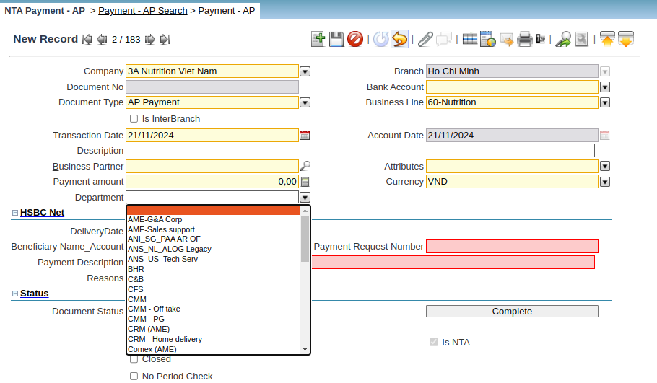
 |  |  | NTA Payment-AP -Department already exists | Before :
 |  |  | -Posting Changes based on Department | After :
 | Purchase Management | Generate NTA AP Payment | -Payment Created No Issue But Posting On INV Lines | Before :
 |  |  | -Posting Changes based on Department | After :
4 | Purchase Management | NTA Payment Allocation AP | NTA Payment Allocation AP -Add new Department filter field -Load list of payment, invoices based on the selected department or should allow only when the department match with Payment and invoice
5 | Purchase Management | View Allocation | View Allocation -Posting Changes based on Department | Before :
 |  |  |  | After :
6 | Accounting Management | GL Journal | GL Journal -Department already exists in the line level
 |  |  | -Posting Changes based on Department -All GL should posted with department except the 4 GL 13310, 11110,11210,11220
7 | FAM Management | FA Disposal Writeoff | FA Disposal Writeoff -Department already exists in the line level
 |  |  | -Posting Changes based on Department
8 | Sales Management | NTA Receipt | NTA Receipt -Add Department field
 |  |  | -Posting Changes based on Department
9 | Sales Management | NTA AR Invoice | NTA AR Invoice -Department already exists in the line level
 |  |  | -Posting Changes based on Department | Before :

 |  |  |  | After :
10 | Reports | Trail Balance Report New | New TB As per given new Template
11 | Reports | Detail AP Report New | New Detail AP As per given new Template
12 | Reports | Balance Sheet New | New Balance Sheet As per given new Template
13 | Reports | Profit & Loss New | New Profit & Loss As per given new Template
14 | Reports | Trail Balance Report | TB -Should show Division as 60-Nutrition for w/o department -Report should show based on selected Division in search parameter -Rename Division parameter as Business Line
15 | Reports | General Ledger | General Ledger -Add new column as Division -Should show Division as 60-Nutrition for w/o department -Rename Division parameter as Business Line
16 | Reports | General Ledger Detail | General Ledger Detail -Add new column as Division -Should show Division as 60-Nutrition for w/o department -Rename Division parameter as Business Line
17 | Reports | Detail D11 Report | D11 -Should show Division as 60-Nutrition for w/o department -Report should show based on selected Division in search parameter -Rename Division parameter as Business Line

NTA AP Invoice
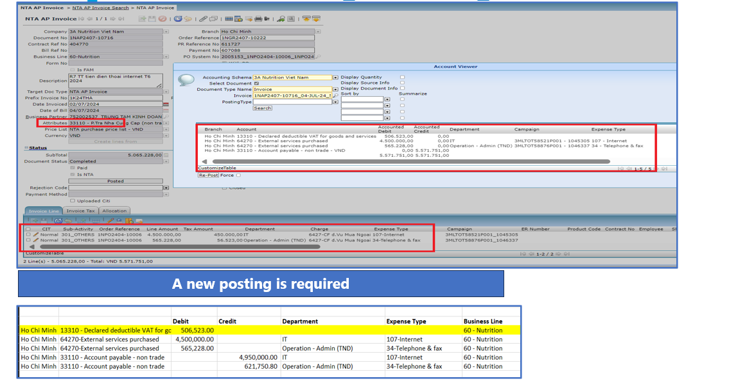
No | Description | PIC
1 | The new posting to add Department to BS accounts based on each cost pair, excluding 4 BS Accounts 13310, 11110, 11210/11220 (all doc type) | TPT

NTA Receipt
No | Description | PIC
1 | Develop a new Department field | TPT
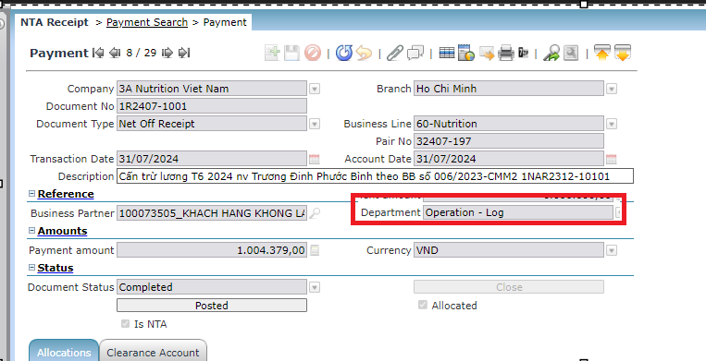

2 | New posting is required | TPT

3 | After allocated with APInvoice | TPT

NTA ARInvoice
No | Description | PIC
1 | Department field is existed, please select it. Should be mandatory. | Users
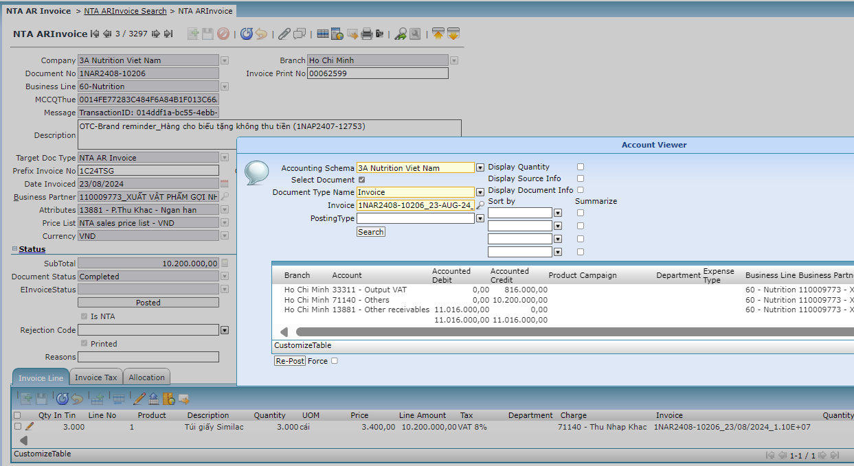
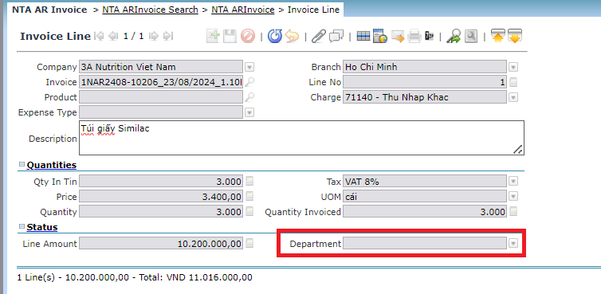

2 | New posting is required | TPT

3 | After allocated with ARInvoice

FA Disposal Writeoff
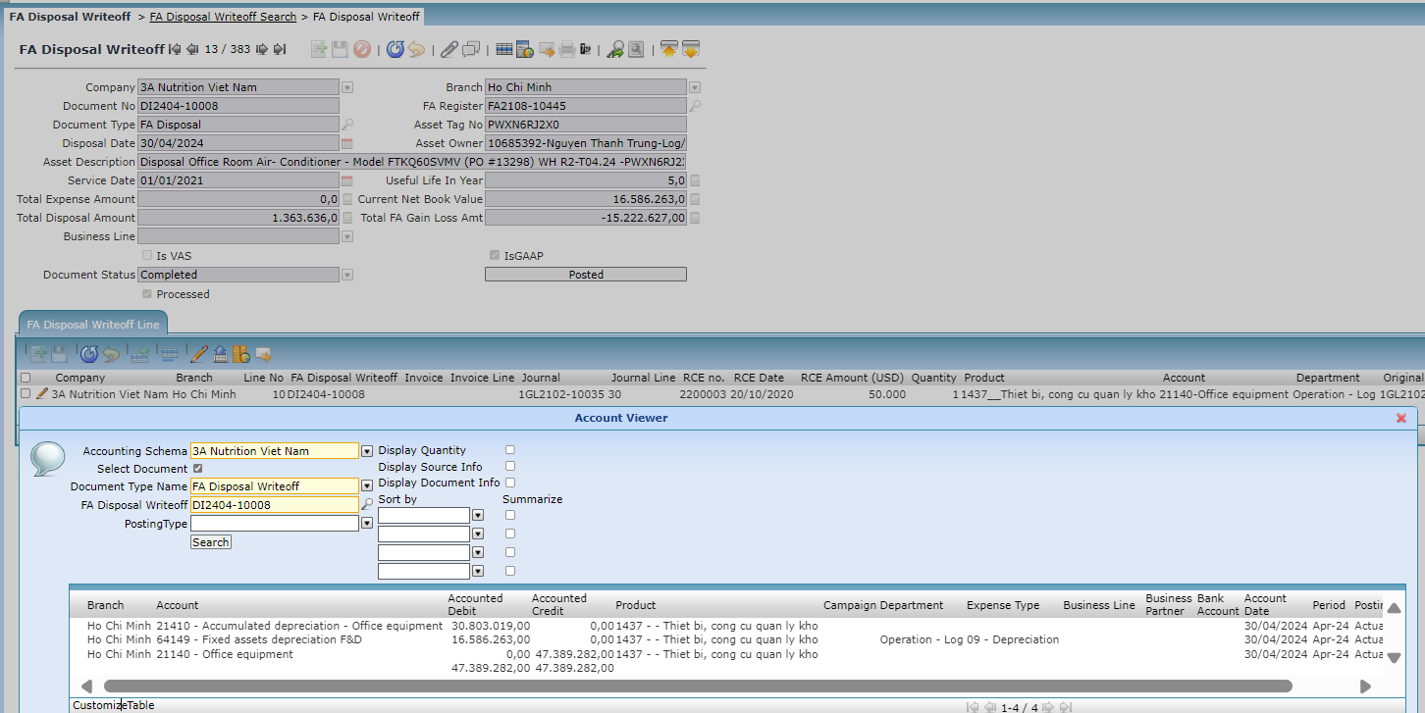
No | Description | PIC
1 | New posting is required | TPT

GL Journal
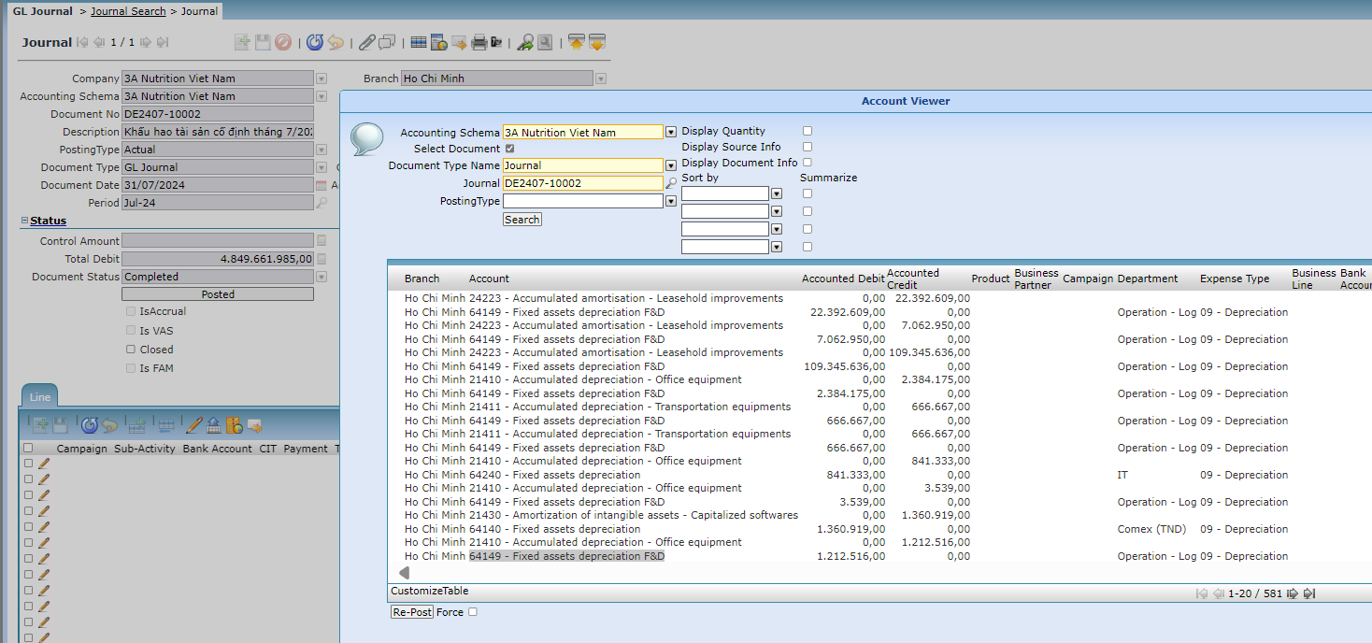
No | Description | PIC
1 | New posting is required | TPT

